Sheet1
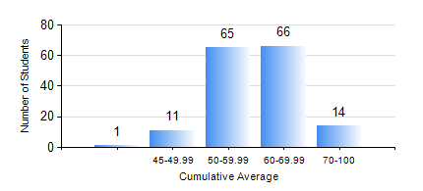
 |  |  | KWAME NKRUMAH UNIVERSITY OF SCIENCE AND TECHNOLOGY, KUMASI Department of Materials Engineering

 |  |  | BSC. MATERIALS ENG.

 |  |  | COMPREHENSIVE RECORD OF EXAMINATION RESULTS

 |  |  | RESULTS OF YEAR 1 FIRST SEMESTER, 2020/2021 ACADEMIC YEAR

 | Sn | Course Code |  | Course Name | Credit Hours | Min. Mark | Max. Mark | Avg. Mark | Std. Dev. | No. Passed | No. Trailed | No. (Df) | No. (I) | No. (I*) | No. Tagged(I,I*,Df) | Total
 | 0. |  |  |  |  |  |  | 0 | 0 | 0 | 0 | 0 | 0 | 0 | 0 | 1
 | 1. | EE 151 |  | APPLIED ELECTRICITY | 3 | 40 | 92 | 60 | 10.52 | 156 | 0 | 0 | 0 | 0 | 0 | 156
 | 2. | ENGL 157 |  | COMMUNICATION SKILLS I | 2 | 49 | 87 | 69 | 7.67 | 156 | 0 | 0 | 0 | 0 | 0 | 156
 | 3. | MATH 151 |  | ALGEBRA | 4 | 34 | 92 | 58 | 11.37 | 154 | 2 | 0 | 0 | 0 | 0 | 156
 | 4. | ME 159 |  | TECHNICAL DRAWING | 2 | 29 | 80 | 54 | 10.4 | 151 | 5 | 0 | 0 | 0 | 0 | 156
 | 5. | ME 195 |  | ENGINEERING TECHNOLOGY I | 2 | 35 | 82 | 65 | 7.02 | 155 | 1 | 0 | 0 | 0 | 0 | 156
 | 6. | MSE 151 |  | INTRODUCTION TO THERMODYNAMICS | 2 | 31 | 84 | 55 | 9.61 | 151 | 5 | 0 | 0 | 0 | 0 | 156
 | 7. | MSE 153 |  | INTRODUCTION TO INFORMATION TECHNOLOGY | 2 | 50 | 82 | 69 | 5.99 | 156 | 0 | 0 | 0 | 0 | 0 | 156

